Chart
Dexcom G6_MAUDE_Problem Status
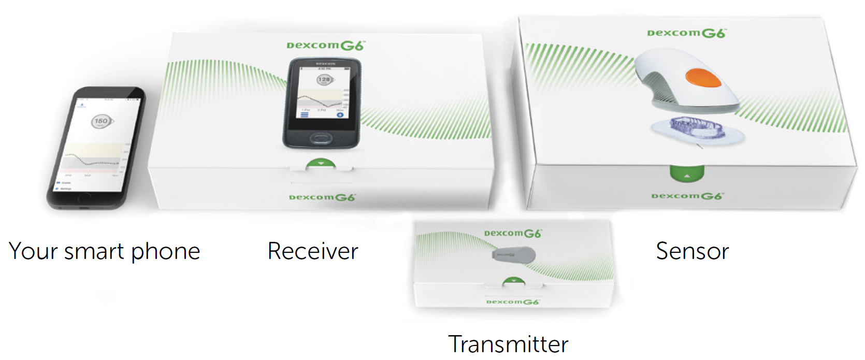
Summary

No. | Problem | Rate (%)
1 | Wireless Communication Problem | 48.5%
2 | No Device Output | 22.7%
3 | Imprecision | 12.7%
4 | Detachment of Device or device Component | 7.6%
5 | Appropriate Term/Code Not Available | 1.3%
6 | Unintended Application Program Shut Down | 1.3%
7 | Defective Alarm | 1.1%
8 | Others | 4.9%

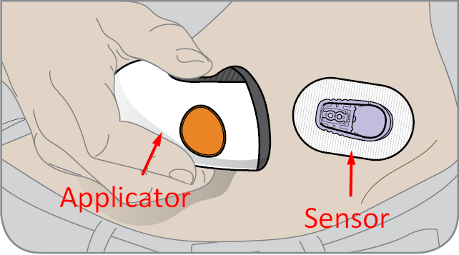

1. Wireless Communication Problem

No. | Problem / Cause | Happened time | Ratio (%)
1 | Intermittent loss of connection issues occurred between the transmitter and the pump => Replaced a new Transmitter | 9 | 3.9%
2 | Loss of connection was related to the mobile application => Could not determined the cause | 16 | 6.9%
3 | The bluetooth connection between transmitter and mobile app issue occurred => Could not determined the cause | 8 | 3.4%
4 | The signal loss was related to the mobile application => A follow up report will be submitted upon completion | 2 | 0.9%
5 | The signal loss was related to the mobile application => Could not determined the cause | 157 | 67.4%
6 | The signal loss was related to the mobile application => Due to mobile device lost power | 1 | 0.4%
7 | The signal loss was related to the mobile application => Due to patient closed the mobile app | 7 | 3.0%
8 | The signal loss was related to the mobile application => Due to Transmitter and app were unable establish a connection | 22 | 9.4%
9 | The signal loss was related to the mobile application => The allegation was confirmed | 1 | 0.4%
10 | The signal loss was related to the mobile application => The transmitter ultimately regained connection with the pump | 10 | 4.3%

